Margin Calculator
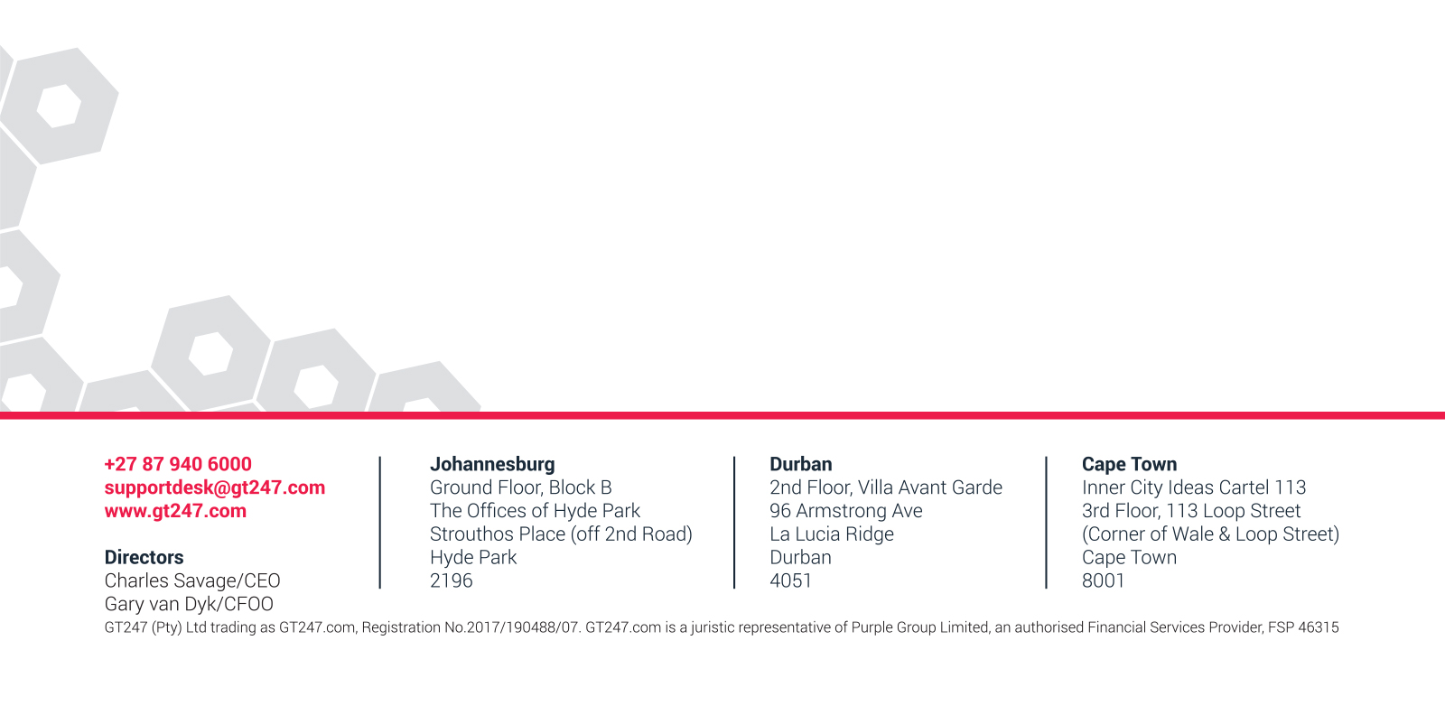
GT Margin Calculator

Select Instrument | Bitcoin | (Type the name of the instrument or select from the dropdown menu)
Enter Instrument Price (Bid/Ask) | 8338.00000 | (user input)

I know what margin I want
Enter Margin Amount | 30000 | (user input)
Rand per point/Number of shares | 7.20 | (Auto Cal.)

I know how many contracts I want
Rand per point/Number of shares | 1.00 | (user input)
Margin Required | 4,169.00 | (Auto Cal.)

